Table 1
Japanese Business Establishments in India
June, 2022
Embassy of Japan in India, JETRO
About this list
The Embassy and Consulates General of Japan in India, and JETRO, have jointly compiled the list, with the cooperation of Japanese chambers of commerce and industries in India. The findings are as follows:
(1) The total number of Japanese companies registered in India is 1,439, marked the slight decrease compared to the previous year (1,455 in October 2020).
(2) The total number of Japanese business establishments in India is 4,790, with an decrease of 158 establishments (3.19% decline) as compared to 4,948 in October 2020
(Please note that in case a company has business operations at multiple sites, each of them has a separate entry in this list for "business establishments". Kindly refer to the following "definition" for further details).
Definition of "Japanese Business Establishment" in India
In principle, any of the following is considered as a Japanese Business Establishment in this survey:
1. Liaison Office/ Branch Office etc. of a Japanese company in India (as a foreign entity)
2. Indian Subsidiary (Wholly Owned/ Joint Venture) of a Japanese company, in the form of:
(A) Head Office, (B) Manufacturing Unit, or (C) Branch Office/ Business Office etc.
* Franchisees or dealers are not counted under this category.
* In case of JVs, only those companies where the Japanese company has more than 10% shareholding, are counted under this category.
3. Business Enterprise founded in India by Japanese national(s)
◆ This list is arranged in alphabetical order as per the location.
State-wise Japanese Business Establishments in India
 |  | 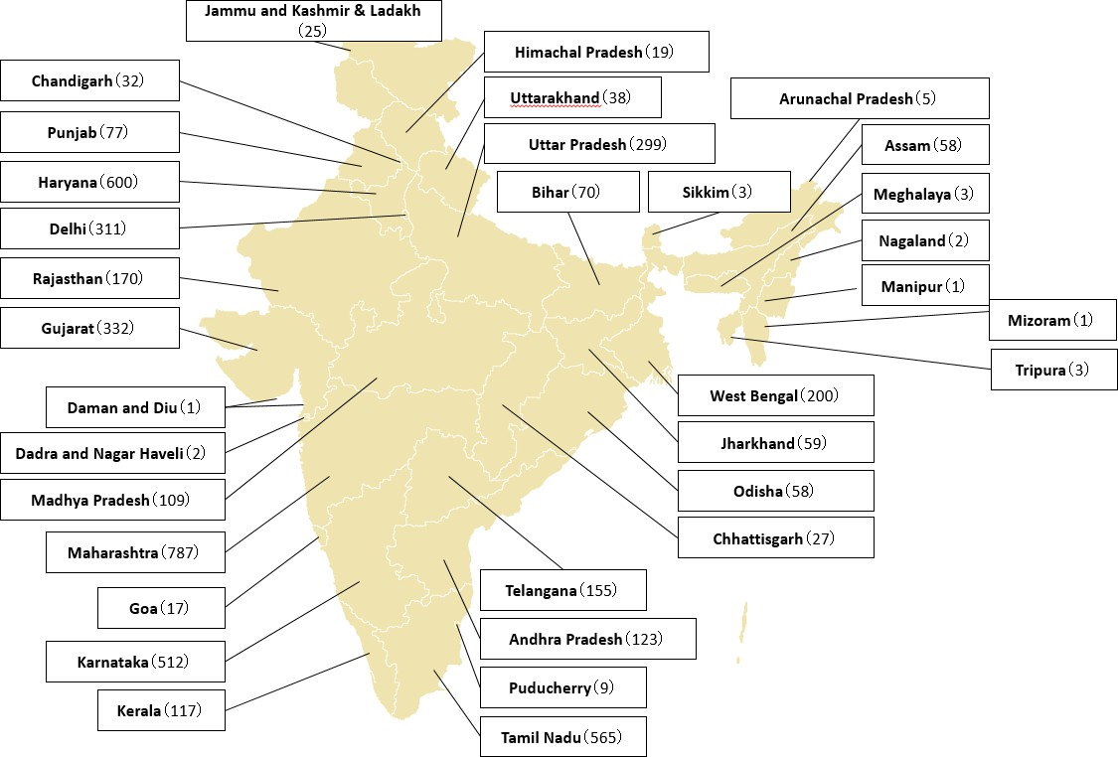
State-wise Japanese Business Establishment in India
NCR/Northern/Northeastern India | 2008-10-01 | 2009-10-01 | 2010-10-01 | 2011-10-01 | 2012-10-01 | 2013-10-01 | 2014-10-01 | 2015-10-01 | 2016-10-01 | 2017-10-01 | 2018-10-01 | 2019-10-01 | 2020-10-01 | 2021-10-01
Delhi | 255 | 295 | 328 | 385 | 454 | 174 | 269 | 311 | 323 | 331 | 340 | 320 | 311 | 311
Haryana |  |  |  |  |  | 323 | 398 | 487 | 522 | 592 | 609 | 624 | 626 | 600
Uttar Pradesh | 34 | 42 | 50 | 51 | 70 | 72 | 246 | 286 | 309 | 313 | 319 | 316 | 314 | 299
Rajasthan | 10 | 22 | 21 | 29 | 52 | 79 | 137 | 169 | 182 | 185 | 183 | 188 | 182 | 170
Chandigarh | 1 | 2 | 1 | 1 | 8 | 12 | 8 | 15 | 18 | 33 | 32 | 31 | 27 | 32
Punjab | 1 | 1 | 2 | 2 | 12 | 19 | 63 | 81 | 85 | 78 | 87 | 87 | 85 | 77
Uttarakhand | 4 | 6 | 8 | 6 | 11 | 14 | 36 | 44 | 46 | 49 | 43 | 38 | 40 | 38
Other Stateｓ | N.A. | 1 | N.A. | N.A | 6 | 14 | 89 | 97 | 100 | 110 | 109 | 114 | 113 | 120
Sub Total | 305 | 369 | 410 | 474 | 613 | 707 | 1246 | 1490 | 1585 | 1691 | 1722 | 1718 | 1698 | 1647
Eastern India | 2008-10-01 | 2009-10-01 | 2010-10-01 | 2011-10-01 | 2012-10-01 | 2013-10-01 | 2014-10-01 | 2015-10-01 | 2016-10-01 | 2017-10-01 | 2018-10-01 | 2019-10-01 | 2020-10-01 | 2021-10-01
West Bengal | 33 | 52 | 67 | 67 | 75 | 96 | 168 | 189 | 193 | 197 | 209 | 202 | 203 | 200
Jharkhand | 3 | 5 | 10 | 11 | 14 | 24 | 57 | 57 | 60 | 63 | 56 | 60 | 60 | 59
Odisha | 3 | 6 | 11 | 13 | 14 | 15 | 47 | 52 | 59 | 62 | 64 | 62 | 59 | 58
Bihar | N.A. | 2 | 5 | 4 | 6 | 9 | 64 | 71 | 73 | 77 | 74 | 71 | 69 | 70
Sub Total | 39 | 65 | 93 | 95 | 109 | 144 | 336 | 369 | 385 | 399 | 403 | 395 | 391 | 387
Western India | 2008-10-01 | 2009-10-01 | 2010-10-01 | 2011-10-01 | 2012-10-01 | 2013-10-01 | 2014-10-01 | 2015-10-01 | 2016-10-01 | 2017-10-01 | 2018-10-01 | 2019-10-01 | 2020-10-01 | 2021-10-01
Maharashtra | 174 | 219 | 198 | 218 | 277 | 395 | 625 | 712 | 709 | 759 | 810 | 815 | 811 | 787
Gujarat | 22 | 31 | 29 | 29 | 54 | 84 | 219 | 259 | 300 | 321 | 383 | 348 | 345 | 332
Madhya Pradesh | 6 | 8 | 7 | 7 | 17 | 24 | 102 | 109 | 98 | 105 | 117 | 117 | 115 | 109
Goa | 5 | 6 | 7 | 6 | 8 | 6 | 20 | 15 | 23 | 24 | 21 | 19 | 18 | 17
Chhattisgarh | 1 | 1 | 1 | 1 | 4 | 5 | 24 | 29 | 28 | 31 | 36 | 35 | 31 | 27
Daman and Diu | N.A. | 3 | 4 | 4 | 5 | 5 | 4 | 3 | 3 | 1 | 2 | 1 | 1 | 1
Dadra and Nagar Haveli |  |  |  |  |  |  |  | 1 | 2 | 2 | 3 | 3 | 2 | 2
Sub Total | 208 | 268 | 246 | 265 | 365 | 519 | 994 | 1128 | 1163 | 1243 | 1372 | 1338 | 1323 | 1275
Southern India | 2008-10-01 | 2009-10-01 | 2010-10-01 | 2011-10-01 | 2012-10-01 | 2013-10-01 | 2014-10-01 | 2015-10-01 | 2016-10-01 | 2017-10-01 | 2018-10-01 | 2019-10-01 | 2020-10-01 | 2021-10-01
Karnataka | 104 | 123 | 155 | 182 | 228 | 297 | 387 | 451 | 476 | 509 | 529 | 534 | 519 | 512
Tamil Nadu | 143 | 169 | 240 | 286 | 344 | 498 | 541 | 577 | 582 | 582 | 620 | 600 | 589 | 565
Andhra Pradesh | 25 | 32 | 53 | 70 | 88 | 224 | 247 | 110 | 104 | 130 | 136 | 143 | 129 | 123
Telangana | - | - | - | - | - | - |  | 149 | 150 | 138 | 169 | 150 | 161 | 155
Kerala | 13 | 22 | 37 | 47 | 53 | 105 | 122 | 134 | 137 | 136 | 140 | 133 | 128 | 117
Puducherry | 1 | 1 | 2 | 3 | 4 | 9 | 8 | 9 | 8 | 10 | 11 | 11 | 10 | 9
Sub Total | 286 | 347 | 487 | 588 | 717 | 1133 | 1305 | 1430 | 1457 | 1505 | 1605 | 1571 | 1536 | 1481
Grand Total | 838 | 1049 | 1236 | 1422 | 1804 | 2503 | 3881 | 4417 | 4590 | 4838 | 5102 | 5022 | 4948 | 4790
Number of Japanese Companies registered in India | 550 | 627 | 725 | 812 | 926 | 1038 | 1156 | 1229 | 1305 | 1369 | 1441 | 1454 | 1455 | 1439
(Note 1): Oct 2010 onwards, being based on the defined criteria of the Japanese Business Establishments in India as (1) Head office, (2) Factory, and (3) Branches etc also regulate to include establishment witouht regular-basis Japanese staffs., it is observed a slight decline of Japanese Business Establishments in some areas.
(Note 2): In order to capture the business senario of Japanese Companies in India more precisely, all the Business Establishments (except franchaisee and dealer ) irrespective of regular-basis Japanese staffs are taken into consideration Oct. 2013 onwards. Consequently, some areas show a significant increase in numbers.
(Note 3): The increase in the number of Japanese business establishments during the one year (October 2013 to October 2014) under the survey is very large, mainly due to the following reasons: In case where a Japanese company forms a JV with an Indian partner, the newly formed JV will also have the already established direct branch offices of that Indian partner, which will result in the immediate increase of the total number of business establishments. There are several such cases found during the survey, especially in insurance and transport sectors. There were also quite a number of Japanese business establishments which have not been captured in our previous surveys.
(Note 4): The number of establishments in Delhi and Haryana is mentioned seperately for 2013,2014 and 2015.
（Note 5）: The number of Japanese companies and establishments in 2013 and 2014 has been reviesed at the time of survey for 2015.

